7 ВСЕ
 |  |  |  |  |  | AUDI A3/S3 8L ; A4/S4/RS4 B5.

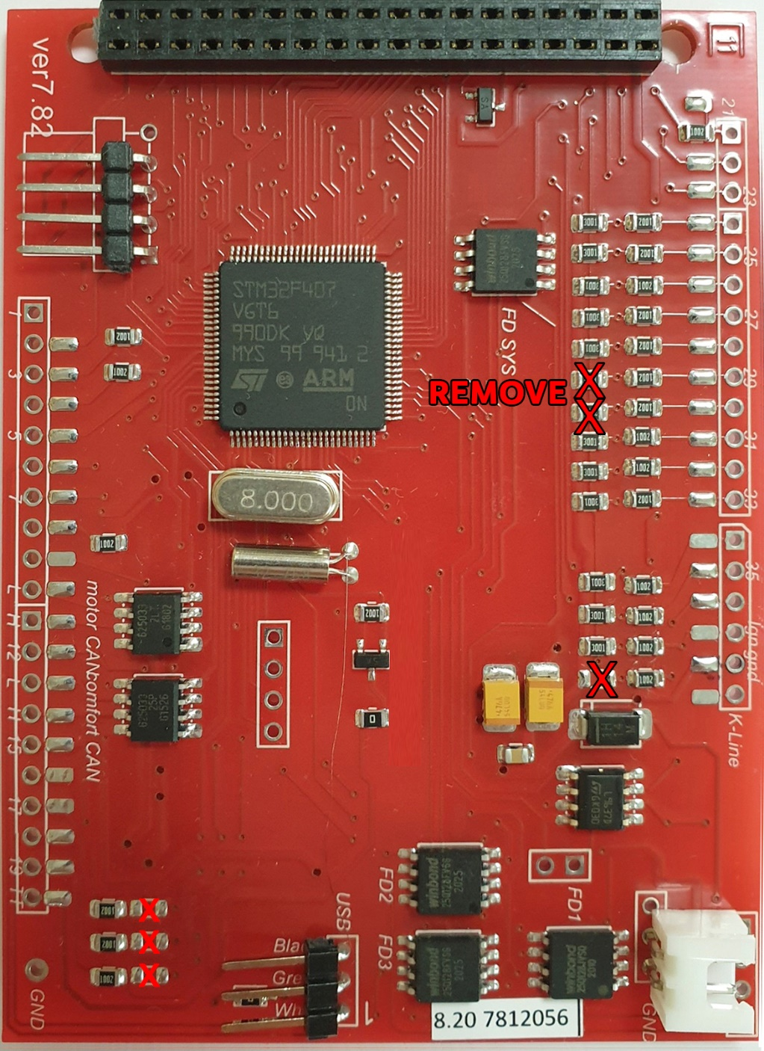
Blue connector |  |  |  |  |  | GENERAL SCHEME 7.8.2-7.8.3 |  |  |  |  |  |  |  | Grey connector
Terminal 15. Ignition ON | 37 | 1 | 17 |  | Main beams | MFD | Dash |  |  | MFD | Dash |  |  | 1 | Menu control switch (menu) |  | 21 | 17 | On-board computer, left
Клемма 15. зажигание ВКЛ. |  |  |  |  | Дальний свет | 1 |  |  | 3.3 V | 21 | 17 | Grey | Down | 2 | Menu control switch (out A) |  | 22 | 18 | On-board computer, right
Brake pad wear | 24 | 2 | 18 |  | Left turn signal | 2* | 15 | Grey | Washer fluid level | 22 | 18 | Grey | Up | 3 | Menu control switch (out B) |  | 23 | 19 | On-board computer reset
Колодки |  |  |  |  | Лев.поворот | 3 | 14 | Grey | Brake light | 23 | 19 | Grey | Reset | 4 | Menu control switch (enter) |  |  | 20 | Auxiliary heater radio remote control input
Speedometer output 1 |  | 3 | 19 |  | ---- | 4 | 21 | Blue | Driver's door | 24 | 2 | Blue | Brake Pads | 5 | CAN bus High (display) | 14* |  | 21 | Summer /winter switching
Выход спидометра 1 |  |  |  |  |  | 5 | 22 | Blue | Low coolant | 25 | 32 | Grey | BOOST | 6 | CAN bus Low (display) | 13* |  | 22 | Auxiliary heater on
5 V supply |  | 4 | 20 |  | Terminal 58s | 6* | USB | White |  | 26 | 25 | Green | HOOD F120 | 7 | Not used |  |  | 23 | Control group 1 Navigation
 |  |  |  |  | Освещение приб. (58b) | 7* | USB | Green |  | 27 | 30 | Blue | TurboTimer | 8 | Not used |  |  | 24 | Control group 2 Navigation
Fuel gauge sender |  | 5 | 21 | 4 | Driver's door contact | 8 |  |  |  | 28 | 32 | Green | Headlight range control | 9 | Not used |  |  | 25 | Control group Telematics
Датчик уровня топлива |  |  |  |  | Водительская дверь | 9 |  |  | CAN RX () | 29 | 6 | Green | Lagguage door switch (diod protect) | 10 | Not used |  |  | 26 | Not used
Tank warning OBD 2 |  | 6 | 22 | 5 | Coolant level low | 10 | 19 | Green | CAN L (motor) | 30 | 15 | Green | Oil SensorG266 | 11 | Enable |  |  | 27 | Not used
 |  |  |  |  | Низкий уровень ОЖ | 11 | 18 | Green | CAN H (motor) | 31 | 13 | Green | Hand brake | 12 | Clock |  |  | 28 | Not used
Terminal 31 (sender earth) |  | 7 | 23 | DC IN+ 12В | Terminal 30, +12v Battery | 12 |  |  | Rx CAN comfort | 32 | 12 | Green | Baterie (61) | 13 | Data |  |  | 29 | Not used
Клемма 31 (земля выход) |  |  |  |  | Терминал 30, +12в постоянно | 13 | 23 | Green | CAN L (convenience) | 33* | 21 | Green | ABS | 14 | Brake light | 3 | 20 | 30 | TurboTimer
Coolant temperature |  | 8 | 24 | DC IN- GND | Terminal 31 (load GND) | 14 | 22 | Green | CAN H (convenience) | 34 | 27 | Green | Belts | 15 | Washer fluid level | 2* | 16* | 31 | F4 - REVERSING LIGHT SWITH
Температура ОЖ |  |  |  |  | Клемма 31 земля GND | 13* | 6 | Grey | CAN bus Low (display) | 35 | 29 | Blue | Brake Liquid | 16 | Tail light/dipped beam (bulb check) | 36 | 24 | 32 | BOOST
Terminal 31 (load GND) | 38 | 9 | 25 |  | Consumption signal | 14* | 5 | Grey | CAN bus High (display) | 36 | 16 | Grey | Lamp Fault
Клемма 31 земля GND |  |  |  |  |  | 15 |  |  | 5V | 37 | 1 | Blue | ignition | Green connector
Oil pressure switch |  | 10 | 26 |  | Right parking light | 16* | 31 | Grey | REVERSING LIGHT SWITH | 38 | 9 | Blue | GND
Реле давления масла |  |  |  |  | Правый стояночный свет | 17 | 8 | Grey | Front passenger's door | 39 | 28 | Green | K-line | 1 | Not used |  |  | 17 | Transponder 2
Engine speed signal |  | 11 | 27 |  | Left parking light | 18 | 9 | Grey | Rear right door contact | 40 | DC-DC OUT+ 5В + |  |  | 2 | Transponder |  | 11 | 18 | CAN bus High (motor)
 |  |  |  |  | Левый стояночный свет | 19 | 10 | Grey | Rear left door contact | 41 | DC-DC OUT- GND |  |  | 3 | External photosensor |  | 10 | 19 | CAN bus Low (motor)
Air conditioner shutoff |  | 12 | 28 |  | Speedometer input | 20 | 30 | Grey | TurboTimer |  |  |  |  | 4 | Not used |  |  | 20 | Not used
 |  |  |  |  | Вход спидометра |  |  |  |  |  | 23 | Blue | DC-DC IN+ 12В + | 5 | W-wire |  | 33* | 21 | ABS
Adaptive suspension |  | 13 | 29 | 35 | Low brake fluid |  |  |  |  |  | 24 | Blue | DC-DC IN- GND | 6 | Central locking signal | 29 |  | 22 | CAN bus High (convenience)
 |  |  |  |  | Низкий ур. торм. жидкости |  |  |  |  |  |  |  |  | 7 | Right turn signal |  |  | 23 | CAN bus Low (convenience)
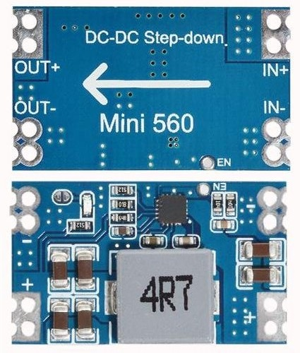
Rear fog light |  | 14 | 30 | 27 | s86 Terminal |  |  |  |  |  |  |  |  | 8 | External buzzer |  |  | 24 | Not used
Задний ПТФ |  |  |  |  | s86 контакт |  |  |  |  |  |  |  |  | 9 | External gong |  | 26 | 25 | Bonnet / Hood / Капот
Terminal 58d |  | 15 | 31 |  | Speedometer output 2 |  |  |  |  |  |  |  |  | 10 | Airbag |  |  | 26 | Filler neck compartment lid
 |  |  |  |  |  |  |  |  |  |  |  |  |  | 11 | Standing time output |  | 34 | 27 | Belt buckle
Trailer turn signal |  | 16 | 32 |  | ESP/TCS | 2* | If you install 3dMFD in the halfFIS cluster, connect 2 pin MFD to minus (-) LED Windscreen washer fluid level sensor -G33- |  |  |  |  |  |  | 12 | Terminal 61 | 32 | 41 | 28 | K-wire
 |  |  |  |  |  |  |  |  |  |  |  |  |  | 13 | Parking brake | 31 |  | 29 | Ambient temperature input
 |  |  |  |  |  | 6* | If you inserted the USB wires into the connector at the bottom of the 3dMFD PCD, these pins are not used .. |  |  |  |  |  |  | 14 | CHECK |  |  | 30 | Terminal 58de
 |  |  |  |  |  |  | Если вы вставили провода USB в разъем в нижней части платы 3dMFD, эти контакты не используются ... |  |  |  |  |  |  | 15 | Oil level/oil temperature | 30 |  | 31 | Selector lever position display
 |  |  |  |  |  | 7* | If you inserted the USB wires into the connector at the bottom of the 3dMFD PCD, these pins are not used .. |  |  |  |  |  |  | 16 | Oil filter pressure |  | 28 | 32 | Headlight range control
 |  |  |  |  |  |  | Если вы вставили провода USB в разъем в нижней части ПКД 3dMFD, эти контакты не используются ...
 |  |  |  |  |  | 13 | Connect if you have NOT RNS-E stereo |  |  |  |  |  |  |  | 1999
 |  |  |  |  |  | 14 |  |  |  |  |  |  |  | 1 | Not used |  |  | 17 | Transponder 2
 |  |  |  |  |  | 13* | Connect if you have RNS-E stereo |  |  |  |  |  |  | 2 | Transponder 1 |  |  | 18 | Not used
 |  |  |  |  |  | 14* |  |  |  |  |  |  |  | 3 | Not used |  |  | 19 | Not used
 |  |  |  |  |  | 16* | If you have add a wire of engaging reverse gear to cluster. Manual gear box |  |  |  |  |  |  | 4 | Not used |  |  | 20 | Not used
 |  |  |  |  |  |  | Если вы добавили в кластер провод включения задней передачи. Для механической КПП |  |  |  |  |  |  | 5 | W-wire |  |  | 21 | Not used
 |  |  |  |  |  | 33* | If you have an optional Oil pressure sensor / EGR sensor |  |  |  |  |  |  | 6 | Tailgate/boot lid (midline version only) |  |  | 22 | Not used
 |  |  |  |  |  |  | Если у вас есть опциональный датчик давления масла / датчик EGR |  |  |  |  |  |  | 7 | Brake pad (not used at |  |  | 23 | Not used
 |  |  |  |  |  |  |  |  |  |  |  |  |  | 8 | nput for external buzzer actuation (not used at present) |  |  | 24 | Not used
 |  |  |  |  |  |  |  |  |  |  |  |  |  | 9 | nput for external gong actuation (not used at present) |  |  | 25 | Not used
 |  |  |  |  |  |  |  |  |  |  |  |  |  | 10 | Tank warning output signal for engine control unit |  |  | 26 | Not used
 |  |  |  |  |  |  |  |  |  |  |  |  |  | 11 | Standing time output |  |  | 27 | Not used
 |  |  |  |  |  |  |  |  |  |  |  |  |  | 12 | Air conditioner shutoff |  |  | 28 | Not used
 |  |  |  |  |  |  |  |  |  |  |  |  |  | 13 | Parking brake |  |  | 29 | Terminal 58d (external dimmer potentiometer)
 |  |  |  |  |  |  |  |  |  |  |  |  |  | 14 | Electronic throttle |  |  | 30 | Speedometer output 2
 |  |  |  |  |  |  |  |  |  |  |  |  |  | 15 | Side light |  |  | 31 | Not used
 |  |  |  |  |  |  |  |  |  |  |  |  |  | 16 | Not used |  |  | 32 | Not used

 |  |  |  |  |  |  |  |  |  |  |  |  |  |  | 1999
 |  |  |  |  |  |  |  |  |  |  |  |  |  | Green | From pin № |  |  |  | На/ To pin №
 |  |  |  |  |  |  |  |  |  |  |  |  |  | 7 | коричнево зеленый / brown green |  |  |  | -> 2 blue connector
 |  |  |  |  |  |  |  |  |  |  |  |  |  | 10 | пустой / empty |  |  |  | -> 6 blue connector
 |  |  |  |  |  |  |  |  |  |  |  |  |  | 12 | голубой синий / blue darck blue |  |  |  | -> 12 blue connector
 |  |  |  |  |  |  |  |  |  |  |  |  |  | 29 | -> |  |  |  | -> 30 green connector
 |  |  |  |  |  |  |  |  |  |  |  |  |  | 21 | -> |  |  |  | -> 15 green connector
 |  |  |  |  |  |  |  |  |  |  |  |  |  | 15 |  |  |  |  | remove

 |  |  |  |  |  |  |  |  |  |  |  |  |  | Blue | From pin № |  |  |  | Green На/ To pin №
 |  |  |  |  |  |  |  |  |  |  |  |  |  | 2 | черно зеленый / black green |  |  |  | -> 7
 |  |  |  |  |  |  |  |  |  |  |  |  |  | 6 | Yellow white |  |  |  | -> 10
 |  |  |  |  |  |  |  |  |  |  |  |  |  | 12 | голубой/ blue |  |  |  | -> 12
 |  |  |  |  |  |  |  |  |  |  |  |  |  | 19 | orange red |  |  |  | -> 21
 |  |  |  |  |  |  |  |  |  |  |  |  |  | 25 | Green blue |  |  |  | -> 28

