7 ВСЕ
 |  |  |  |  |  | AUDI A3/S3 8L ; A4 B5.

 | 1999/2000 |  |  |  |  | GENERAL SCHEME 7.7-7.8 |  |  |  |  |  |  |  |  | 2000 |  |  |  |  |  | 2000
1 | Terminal 15 | 37 |  | 17 | Main beam | MFD | Dash |  |  | MFD | Dash |  |  | 1 | Menu control switch (menu) |  | 21 | 17 | On-board computer, left | 1 | Not used |  |  | 17 | Transponder 2
2 | Brake pad wear | 24 |  | 18 | Left turn signal | 1 |  |  | 3.3 V | 21 | 17 | Grey | Down | 2 | Menu control switch (out A) |  | 22 | 18 | On-board computer, right | 2 | Transponder |  | 11 | 18 | CAN bus High (motor)
3 | Speedometer output 1 |  |  | 19 | Not used | 2 | 15 | Grey | Washer fluid level | 22 | 18 | Grey | Up | 3 | Menu control switch (out B) |  | 23 | 19 | On-board computer reset | 3 | External photosensor |  | 10 | 19 | CAN bus Low (motor)
4 | 5 V supply |  |  | 20 | Terminal 58s | 3 | 14 | Grey | Brake light | 23 | 19 | Grey | Reset | 4 | Menu control switch (enter) |  |  | 20 | Auxiliary heater radio remote control input | 4 | Not used |  |  | 20 | Not used
5 | Fuel gauge sender |  | 4 | 21 | Driver's door contact | 4 | 21 | Blue | Driver's door | 24 | 2 | Blue | Brake Pads | 5 | CAN bus High (display) | 14** |  | 21 | Summer /winter switching | 5 | W-wire |  | 33 | 21 | ABS
6 | Tank warning OBD 2 |  | 5 | 22 | Low coolant | 5 | 22 | Blue | Low coolant | 25 | 32 | Grey | BOOST | 6 | CAN bus Low (display) | 13** |  | 22 | Auxiliary heater on | 6 | Central locking signal | 29 |  | 22 | CAN bus High (convenience)
7 | Terminal 31 (sensor earth) |  | +12v | 23 | Terminal 30 | 6* | USB | White | not used | 26 | 25 | Green | HOOD F120 | 7 | Not used |  |  | 23 | Control group 1 Navigation | 7 | Right turn signal |  |  | 23 | CAN bus Low (convenience)
8 | Coolant temperature |  |  | 24 | Terminal 31 (load earth) | 7* | USB | Green | not used | 27 | 30 | Blue | TurboTimer | 8 | Not used |  |  | 24 | Control group 2 Navigation | 8 | External buzzer |  |  | 24 | Not used
9 | Terminal 31 (load earth) | GND |  | 25 | Consumption signal | 8 |  |  |  | 28 | 32 | Green | Headlight range control | 9 | Not used |  |  | 25 | Control group Telematics | 9 | External gong |  | 26 | 25 | Bonnet
10 | Oil pressure (high) |  |  | 26 | Right parking light | 9 |  |  | CAN RX () | 29 | 6 | Green | Lagguage door switch (diod protect) | 10 | Not used |  |  | 26 | Not used | 10 | Airbag |  |  | 26 | Filler neck compartment lid
11 | Engine speed signal |  |  | 27 | Left parking light | 10 | 19 | Green | CAN L (motor) | 30 | 15 | Green | Oil SensorG266 | 11 | Enable |  |  | 27 | Not used | 11 | Standing time output |  | 34 | 27 | Belt buckle
12 | Air conditioner shutoff |  |  | 28 | Speedometer input | 11 | 18 | Green | CAN H (motor) | 31 | 13 | Green | Hand brake | 12 | Clock |  |  | 28 | Not used | 12 | Terminal 61 | 32 | 40 | 28 | K-wire
13 | Electronic throttle/glow period warning lamp |  | 35 | 29 | Low brake fluid | 12 |  |  | Rx CAN comfort | 32 | 12 | Green | Baterie (61) | 13 | Data |  |  | 29 | Not used | 13 | Parking brake | 31 |  | 29 | Ambient temperature input
14 | Adaptive suspension |  | 27 | 30 | S-contact | 13 | 23 | Green | CAN L (convenience) | 33 | 21 | Green | ABS | 14 | Brake light | 3 | 20 | 30 | TurboTimer | 14 | CHECK |  |  | 30 | Terminal 58de
15 | Terminal 58d |  |  | 31 | Speedometer output 2 | 14 | 22 | Green | CAN H (convenience) | 34 | 27 | Green | Belts | 15 | Washer fluid level | 2 | 16 | 31 | F4 - REVERSING LIGHT SWITH | 15 | Oil level/oil temperature | 30 |  | 31 | Selector lever position display
16 | Trailer turn signal |  |  | 32 | ESP/TCS | 13** | 6 | Grey | CAN bus Low (display) | 35 | 29 | Blue | Brake Liquid | 16 | Tail light/dipped beam (bulb check) | 36 | 25 | 32 | BOOST | 16 | Oil filter pressure |  | 28 | 32 | Headlight range control
 |  |  |  |  |  | 14** | 5 | Grey | CAN bus High (display) | 36 | 16 | Grey | Lamp Fault
 |  |  |  |  |  | 15 |  |  | 5V | 37 | 1 | Blue | ignition |  |  |  |  |  |  |  | 1999
 |  |  |  |  |  | 16 | 31 | Grey | REVERSING LIGHT SWITH | 38 | Power OUT 5В + |  |  |  |  |  |  |  |  | 1 | Not used |  |  | 17 | Transponder 2
 |  |  |  |  |  | 17 | 8 | Grey | Front passenger's door | 39 | Power -OUT GND |  |  |  |  |  |  |  |  | 2 | Transponder 1 |  |  | 18 | Not used
 |  |  |  |  |  | 18 | 9 | Grey | Rear right door contact | 40 | 28 | Green | K-line |  |  |  |  |  |  | 3 | Not used |  |  | 19 | Not used
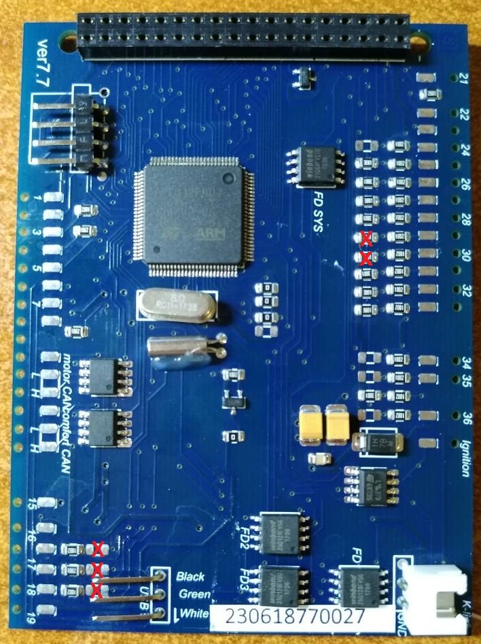
 |  |  |  |  |  | 19 | 10 | Grey | Rear left door contact |  |  |  |  |  |  |  |  |  |  | 4 | Not used |  |  | 20 | Not used
 |  |  |  |  |  | 20 | 30 | Grey | TurboTimer |  | 23 | Blue | Power IN 5В + |  |  |  |  |  |  | 5 | W-wire |  |  | 21 | Not used
 |  |  |  |  |  |  |  |  |  |  | 24 | Blue | Power -IN GND |  |  |  |  |  |  | 6 | Tailgate/boot lid (midline version only) |  |  | 22 | Not used
 |  |  |  |  |  |  |  |  |  |  |  |  |  |  |  |  |  |  |  | 7 | Brake pad (not used at |  |  | 23 | Not used
 |  |  |  |  |  |  |  |  |  |  |  |  |  |  |  |  |  |  |  | 8 | nput for external buzzer actuation (not used at present) |  |  | 24 | Not used
 |  |  |  |  |  |  |  |  |  |  |  |  |  |  |  |  |  |  |  | 9 | nput for external gong actuation (not used at present) |  |  | 25 | Not used
 |  |  |  |  |  | 13 | Connect if you have NOT RNS-E stereo |  |  |  |  |  |  |  |  |  |  |  |  | 10 | Tank warning output signal for engine control unit |  |  | 26 | Not used
 |  |  |  |  |  | 14 |  |  |  |  |  |  |  |  |  |  |  |  |  | 11 | Standing time output |  |  | 27 | Not used
 |  |  |  |  |  | 13** | Connect if you have RNS-E stereo |  |  |  |  |  |  |  |  |  |  |  |  | 12 | Air conditioner shutoff |  |  | 28 | Not used
 |  |  |  |  |  | 14** |  |  |  |  |  |  |  |  |  |  |  |  |  | 13 | Parking brake |  |  | 29 | Terminal 58d (external dimmer potentiometer)
 |  |  |  |  |  |  |  |  |  |  |  |  |  |  |  |  |  |  |  | 14 | Electronic throttle |  |  | 30 | Speedometer output 2
 |  |  |  |  |  |  |  |  |  |  |  |  |  |  |  |  |  |  |  | 15 | Side light |  |  | 31 | Not used
 |  |  |  |  |  |  |  |  |  |  |  |  |  |  |  |  |  |  |  | 16 | Not used |  |  | 32 | Not used

