7.6
 |  |  |  |  |  | VW T4 & Sharan 2001>>

Blue cinnector |  |  |  |  |  | GENERAL SCHEME |  |  |  |  |  |  |  | Green connector |  |  |  |  |  | LEDs
Terminal 15 | 37 | 1 | 17 |  | Main beams | MFD | DASHboard |  |  | MFD | DASHboard |  |  | REVERSING LIGHT SWITH | 16 | 1 | 17 |  |  | Coolant |  | Brake Pads |  | Fuel low
Right turn signal |  | 2 | 18 |  | Лев.поворот | 1 |  |  | 3.3 V | 21 | 23 | Green | Down | Coil Key reader |  | 2 | 18 | 30 | Oil temperature | plus + |  | plus + |  | plus +
Speedometer output 1 |  | 3 | 19 | 33 | ABS | 2* | minus (-) LED Windscreen washer fluid level sensor -G33- |  |  | 22 | 24 | Green | Up | ---- |  | 3 | 19 | 11 | CAN H (motor) | minus - |  | minus - |  | minus -
Trailer turn signal |  | 4 | 20 |  | Cluster illumination. (58b) | 3 |  |  |  | 23 | 25 | Green | Reset | CAN data bus, screening |  | 4 | 20 | 10 | CAN L (motor)
Fuel gauge sender |  | 5 | 21 | 4 | Driver's door contact | 4 | 21 | Blue | Driver's door | 24 | 7 | Green | Brake Pads | W-линия |  | 5 | 21 | 28* | Bulb failure/failure of HRC | yelow oil |  |  | washer fluid
Electronic throttle (2003>>) |  | 6 | 22 | 5 | Coolant level low | 5 | minus (-) LED Low coolant |  |  | 25 | 15 | Green | BOOST | Washer fluid low | 2* | 6 | 22 | 26 | Bonnet switch | minus - | plus+ red left |  | plus +
Terminal 31 (sender earth) |  | 7 | 23 | IN+ 5В + | Terminal 30 | 6* | USB | White |  | 26 | 22 | Green | HOOD F120 | Brake pad wear | 24 | 7 | 23 | 21 | MFI call-up button - left | plus+ yellow right | minus - |  | minus -
Coolant temperature |  | 8 | 24 | IN- GND | Terminal 31 | 7* | USB | Green |  | 27 | 30 | Blue | TurboTimer | CAN low speed (comfort "High") | 14 | 8 | 24 | 22 | MFI call-up button - right
Terminal 31 (load earth) |  | 9 | 25 | 40 | Self-diagnosis K-wire | 8 |  |  |  | 28* | 21 | Green | Bulb failure | CAN low speed (comfort "Low") | 13 | 9 | 25 | 23 | MFI save switch - reset
Oil pressure switch |  | 10 | 26 |  | Right parking light | 9 |  |  | CAN RX (motor) | 29 | 16 | Blue | Lagguage door switch (diod protect) | ---- |  | 10 | 26 |  | Ambient temperature
Front passenger door |  | 11 | 27 |  | Left parking light | 10 | 20 | Green | CAN L (motor) | 30 | 18 | Green | Oil SensorG266 | Сигнал стоянка |  | 11 | 27 |  | CAN bus (diag "+")
Alternator warning, Terminal 61 | 32 | 12 | 28 |  | Speedometer input | 11 | 19 | Green | CAN H (motor) | 31 | 13 | Green | Hand brake | Отключение климата |  | 12 | 28 |  | CAN bus (diag "-")
Front passenger's door / Glow catalytic converter (<<2003) | 17 | 13 | 29 | 35 | Brakes common | 12 |  |  | Rx CAN comfort | 32 | 12 | Blue | Baterie (61) | Parking brake / HandBRAKE | 31 | 13 | 29
Rear fog light |  | 14 | 30 | 27 | S contact | 13 | 9 | Green | CAN L comfort | 33 | 19 | Blue | ABS | ASR/ESP |  | 14 | 30 |  | Radio/navigation - clock
Rear left door | 19 | 15 | 31 | 34 | Seat belt warning | 14 | 8 | Green | CAN H comfort | 34 | 31 | Blue | Belts | Turbo | 25 | 15 | 31 |  | Radio/navigation - data
Rear lid | 29 | 16 | 32 | 18 | Rear right door contact | 15 |  |  | 5V | 35 | 29 | Blue | Brake Liquid | TurboTimer | 20 | 16 | 32 |  | Radio/navigation - enable
 |  |  |  |  |  | 16 | 1 | Green | REVERSING LIGHT SWITH | 36* | minus (-) LED yelow oil
 |  |  |  |  |  | 17 | 13 | Blue | Front passenger's door | 37 | 1 | Blue | ignition
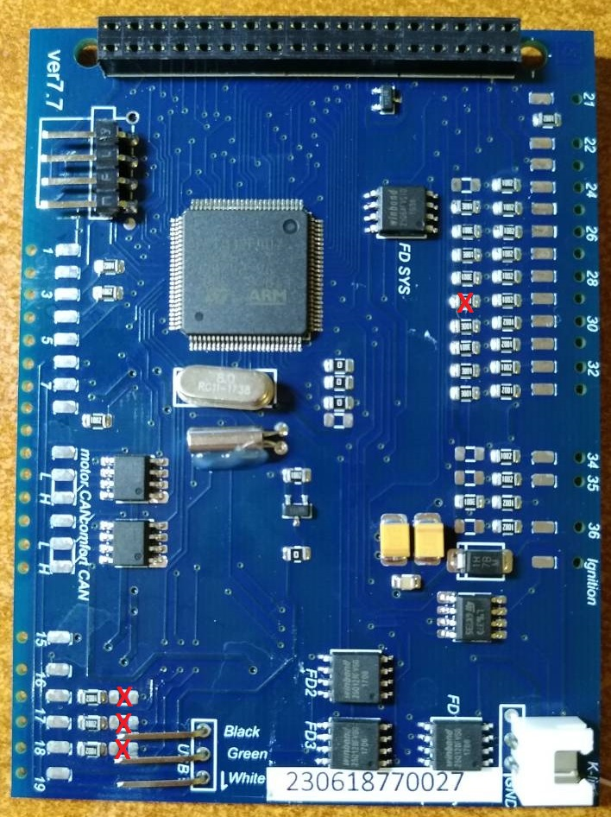
 |  |  |  |  |  | 18 | 32 | Blue | Rear right door | 38 | Power OUT 5В +
 |  |  |  |  |  | 19 | 15 | Blue | Rear Left door | 39 | Power OUT GND
 |  |  |  |  |  | 20 | 16 | Green | TurboTimer | 40 | 25 | Blue | K-line

 |  |  |  |  |  |  |  |  |  |  | 23 | Blue | Power IN+ 5В +
 |  |  |  |  |  |  |  |  |  |  | 24 | Blue | Power IN- GND

 |  |  |  |  |  | 2* | If you install 3dMFD in the halfFIS cluster, connect 2 pin MFD to minus (-) LED Windscreen washer fluid level sensor -G33-

 |  |  |  |  |  | 6* | If you inserted the USB wires into the connector at the bottom of the 3dMFD PCD, these pins are not used ..
 |  |  |  |  |  | 7*
 |  |  |  |  |  | 36* | If you install 3dMFD in the FullFIS cluster, this 36 pin is not used.

