Sharan
 |  |  |  |  |  | VW Sharan FullFIS 2001>>

Blue cinnector |  |  |  |  |  | GENERAL SCHEME |  |  |  |  |  |  |  |  | Green connector
Terminal 15 | 37 | 1 | 17 |  | Main beams | MFD |  | DASHboard |  | MFD |  | DASHboard |  |  | Radio-controlled clock (+5V) (<<2003) |  | 1 | 17
Right turn signal |  | 2 | 18 |  | Left turn signal | 1 |  |  |  | 21 | 23 | Green | Down |  | REVERSING LIGHT SWITH | 16 | 2 | 18 | 30 | Oil temperature
Speedometer output 1 |  | 3 | 19 |  | Fuel consumption | 2 | 6 | Green | Washer fluid low | 22 | 24 | Green | Up |  | Radio-controlled clock (data) (<<2003) |  | 3 | 19 | 11 | CAN H (motor)
Trailer turn signal |  | 4 | 20 |  | Terminal 58s | 3 |  |  |  | 23 | 25 | Green | Reset |  | CAN data bus, screening |  | 4 | 20 | 10 | CAN L (motor)
Fuel gauge sender |  | 5 | 21 | 4 | Driver's door | 4 | 21 | Blue | Driver's door | 24 | 7 | Green | Brake Pads |  |  |  | 5 | 21 | 28 | Bulb failure/failure of HRC
Electronic throttle (2003>>) |  | 6 | 22 | 5 | Coolant level low | 5 | 22 | Blue | Coolant level low | 25 | 15 | Green | BOOST |  | Washer fluid low | 2 | 6 | 22 | 26 | Bonnet switch
Terminal 31 (sender earth) |  | 7 | 23 | DC IN+ 5В + | Terminal 30 | 6* | USB White |  |  | 26 | 22 | Green | HOOD F120 |  | Brake pad wear | 24 | 7 | 23 | 21 | MFI call-up button - left
Coolant temperature |  | 8 | 24 | DC IN- GND | Terminal 31 (load earth) | 7* | USB Green |  |  | 27 | 30 | Blue | TurboTimer/S contact |  | CAN low speed (infotainment "+") | 14 | 8 | 24 | 22 | MFI call-up button - right
Terminal 31 (load earth) |  | 9 | 25 | 40 | Self-diagnosis K-wire | 8 | 5 | Blue | Fuel gauge -G1- | 28* | 21 | Green | Bulb failure |  | CAN low speed (infotainment "-") | 13 | 9 | 25 | 23 | MFI save switch - reset
Oil pressure switch |  | 10 | 26 |  | Right parking light | 9 |  |  | CAN RX (motor) | 29 | 16 | Blue | Lagguage door switch |  | Radio-controlled clock (earth) (<<2003) |  | 10 | 26 |  | Ambient temperature
Front passenger door | 17 | 11 | 27 |  | Left parking light | 10 | 20 | Green | CAN L (motor) | 30 | 18 | Green | Oil SensorG266 |  |  |  | 11 | 27 |  | CAN bus (diag "+")
Battery ( 61) | 32 | 12 | 28 |  | Speedometer input | 11 | 19 | Green | CAN H (motor) | 31 | 13 | Green | Hand brake |  |  |  | 12 | 28 |  | CAN bus (diag "-")
Glow period/cat. con. <2003 |  | 13 | 29 | 35 | Brake fluid low | 12 |  |  | Rx CAN comfort | 32 | 12 | Blue | Baterie (61) |  | Parking brake / HandBRAKE | 31 | 13 | 29
Rear fog light |  | 14 | 30 | 27 | S contact | 13 | 9 | Green | CAN L infotainment | 33 |  |  |  |  |  |  | 14 | 30 |  | Radio/navigation - clock
Rear left door | 19 | 15 | 31 | 34 | Seat belt warning | 14 | 8 | Green | CAN H infotainment | 34 | 31 | Blue | Belts |  | Turbo Bost pressure | 25 | 15 | 31 |  | Radio/navigation - data
Rear lid | 29 | 16 | 32 | 18 | Rear right door | 15 |  |  | 5V | 35 | 29 | Blue | Brake Liquid |  | TurboTimer | 20* | 16 | 32 |  | Radio/navigation - enable
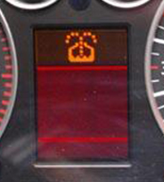
 |  |  |  |  |  | 16 | 1 | Green | Reversing light swith | 36
 |  |  |  |  |  | 17 | 11 | Blue | Front passenger's door | 37 | 1 | Blue | ignition
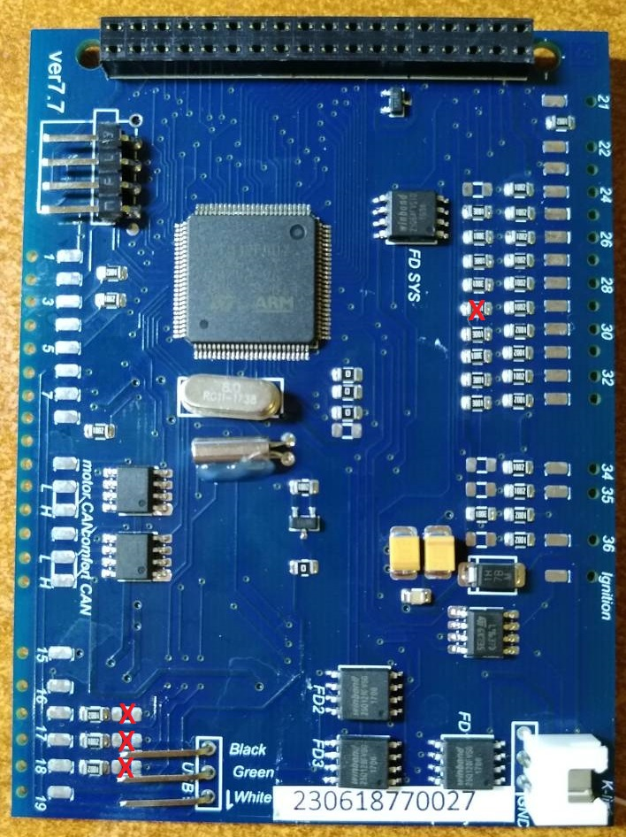
 |  |  |  |  |  | 18 | 32 | Blue | Rear right door | 38 | DC-DC OUT+ 5В +
 |  |  |  |  |  | 19 | 15 | Blue | Rear Left door | 39 | DC-DC OUT- GND
 |  |  |  |  |  | 20* | 16 | Green | TurboTimer | 40 | 25 | Blue | K-line

 |  |  |  |  |  |  |  |  |  |  | 23 | Blue | DC-DC IN+ 12В +
 |  |  |  |  |  |  |  |  |  |  | 24 | Blue | DC-DC IN- GND

 |  |  |  |  |  | 6* | If you inserted the USB wires into the connector at the bottom of the 3dMFD PCD, these pins are not used .. |  |  |  |  |  |  | 6* | Если вы вставили провода USB в разъем в нижней части PCD 3dMFD, эти контакты не используются.
 |  |  |  |  |  | 7* |  |  |  |  |  |  |  | 7*
 |  |  |  |  |  | 16* | You must add wire from the reverse gear light ON (+12) wire to cluster, using free pin of the green connector |  |  |  |  |  |  | 16* | Вы должны проложить провод от провода включения заднего хода (+12) в приборку через свободный пин зеленого разъема
 |  |  |  |  |  | 20* | This is the OUTput control of the turbo timer relay. |  |  |  |  |  |  | 20* | Это управляющий выход реле турботаймера.
 |  |  |  |  |  | 28* | If you have Bulb failure unit |  |  |  |  |  |  | 28* | Если у вас есть реле контроля перегоревших ламп

