7 ВСЕ
Instrument cluster pinout |  |  |  |  |  | 7.9.0 AUDI A4/S4/RS4 B6/B7 (8E) ; |  |  |  |  |  |  |  | Instrument cluster pinout

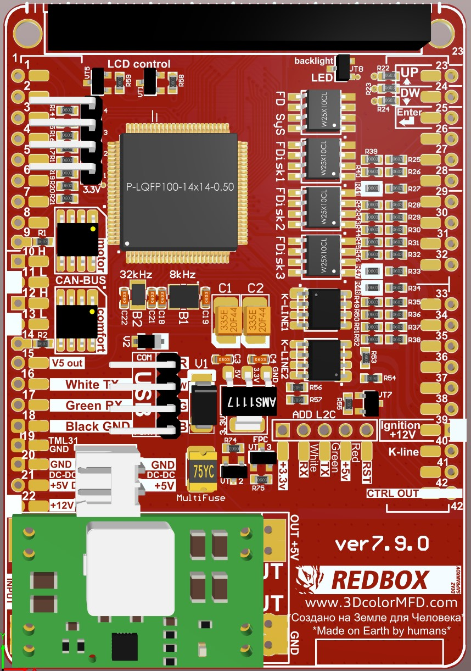
Audi A4 8E B6/B7 |  |  |  |  |  | GENERAL SCHEME |  |  |  |  |  |  |  | Audi A4 8E B6/B7
Washer fluid low |  | 1 | 17 | 12 | CAN High (Convenience) |  |  |  |  |  |  |  |  | Terminal 58d |  | 1 | 17 |  | Terminal 58s
Coolant level low |  | 2 | 18 | 13 | CAN Low (Convenience) |  |  |  |  |  |  |  |  | Terminal 30 | 22 | 2 | 18 |  | Terminal 31 GND
Fuel gauge sender |  | 3 | 19 |  | CAN Low (Infotainment) | DASHboard |  |  | MFD | MFD | DASHboard |  |  | Terminal 15 | 39 | 3 | 19 | 19 | Terminal 31 GND
Coolant temperature |  | 4 | 20 |  | CAN High (Infotainment) | Reversing light swith | Blue | 13 | 1* | 23 | picture |  | Up | BOOST / Vacant | 30 | 4 | 20 | 34 | Vacant / Oil Pressure Sensor Add.
Control group 2 Navigation sys |  | 5 | 21 |  | Ambient temp. (input) |  |  |  | 2 | 24 | picture |  | Down | Speedometer (input) |  | 5 | 21 |  | Speedometer (output 1)
Control group 3 Navigation sys |  | 6 | 22 | 32 | S contact |  |  |  | 3 | 25 |  |  |  | Speedometer (output 2) |  | 6 | 22 | 38* | ABS warning
Control group x Telematics |  | 7 | 23 | 35 | Oil level / oil temperature |  |  |  | 4 | 26 | 30 | Green | Belt buckle | Airbag (inverted) |  | 7 | 23 | 40 | K-line
Menu switch (menu) |  | 8 | 24 |  | Self-levelling suspension |  |  |  | 5 | 27 |  |  |  | Turn signal (right-side) |  | 8 | 24 |  | CAN drive (display)
Vacant |  | 9 | 25 |  | Menu switch (enter) |  |  |  | 6 | 28 |  |  |  | Brake fluid low |  | 9 | 25 |  | Tank flap switch
Bonnet switch |  | 10 | 26 |  | Vacant |  |  |  | 7 | 29 | 32 | Green | Brake pad wear | Turn signal (left-side) |  | 10 | 26 |  | CAN diagnosis Low
Fuel gauge sender 2 |  | 11 | 27 |  | Vacant |  |  |  | 8 | 30 | 4 | Green | BOOST | Turn signal (trailer) |  | 11 | 27 |  | CAN diagnosis (display)
Menu switch (Out A) |  | 12 | 28 |  | Menu switch (Out B) |  |  |  | 9 | 31 |  |  |  | CAN Low (Motor) | 11 | 12 | 28 |  | CAN diagnosis High
Reversing light swith / Vacant | 1* | 13 | 29 |  | Vacant | CAN H (motor) | Green | 13 | 10 | 32 | 22 | Blue | TurboTimer | CAN High (Motor) | 10 | 13 | 29 | 33 | HRC (headlight range control)
Vacant |  | 14 | 30 |  | Transponder 2 | CAN L (motor) | Green | 12 | 11 | 33 | 29 | Green | Headlight range control | Terminal 61/charge warning | 37 | 14 | 30 | 26 | Belt buckle
Oil Pressure Sensor Add. / Vacant | 38* | 15 | 31 |  | Transponder 1 | CAN High (Convenience) | Blue | 17 | 12 | 34 | 20 | Green | Oil Pressure Sensor Add. | TurboTimer / Vacant | 42* | 15 | 31 |  | External buzzer
FDR/TCS (= ESP) |  | 16 | 32 |  | Terminal 31 (sensor) | CAN Low (Convenience) | Blue | 18 | 13 | 35 | 23 | Blue | Oil level / oil temperature | Oil pressure 2 |  | 16 | 32 | 29 | Brake pad wear
 |  |  |  |  |  |  |  |  | 14 | 36
 |  |  |  |  |  | 5V out |  |  | 15 | 37 | 14 | Green | Terminal 61/charge warn.
Remove resistors |  |  |  |  |  | White | USB |  | 16 | 38* | 22 | Green | ABS
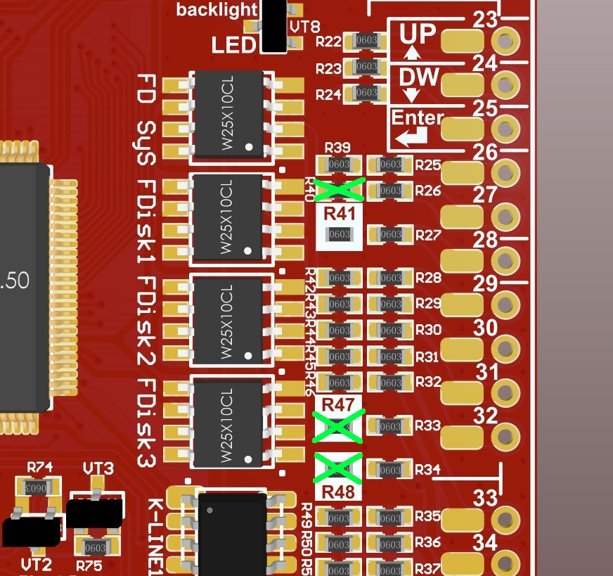
 |  |  |  |  |  | Green | USB |  | 17 | 38* | 15 | Blue | Oil Pressure Sensor Add.
 |  |  |  |  |  | Black | USB |  | 18 | 39 | 3 | Green | Ignition ЗАЖИГАНИЕ
 |  |  |  |  |  | GND | Green | 19 | 19 | 40 | 23 | Green | K-line
 |  |  |  |  |  | DC-DC OUT- GND |  |  | 20* | 41
 |  |  |  |  |  | DC-DC OUT+ +5В |  |  | 21* | 42* | 15 | Green | TurboTimer
 |  |  |  |  |  | +12V | Green | 2 | 22

 |  |  |  |  |  |  | 1* | If you have add a wire of engaging reverse gear to cluster.
 |  |  |  |  |  |  |  | Если вы добавили в кластер провод включения задней передачи.
 |  |  |  |  |  |  | 20* | If you have installed the DC-DC converter separately from the 3dMFD motherboard
 |  |  |  |  |  |  |  | Если вы установили DC-DC преобразователь отделно от материнской платы
 |  |  |  |  |  |  | 21* | If you have installed the DC-DC converter separately from the 3dMFD motherboard
 |  |  |  |  |  |  |  | Если вы установили DC-DC преобразователь отделно от материнской платы
 |  |  |  |  |  |  | 33* | If you have an optional LPG tank level / Fuel presser sensor/ Head range control warning
 |  |  |  |  |  |  |  | Если у вас есть дополнительное датчикки уровня в баке LPG / датчик давления топлива / контроль диапазона головки / EGT

 |  |  |  |  |  |  | 38* | If you have an optional Oil pressure sensor / EGR sensor
 |  |  |  |  |  |  |  | Если у вас есть опциональный датчик давления масла / датчик EGT
 |  |  |  |  |  |  | 42* | This is the control output of the turbo timer relay.
 |  |  |  |  |  |  |  | Это управляющий выход реле турботаймера.

