7 ВСЕ
 |  |  |  |  |  | 7.9.0 AUDI A6 С5.

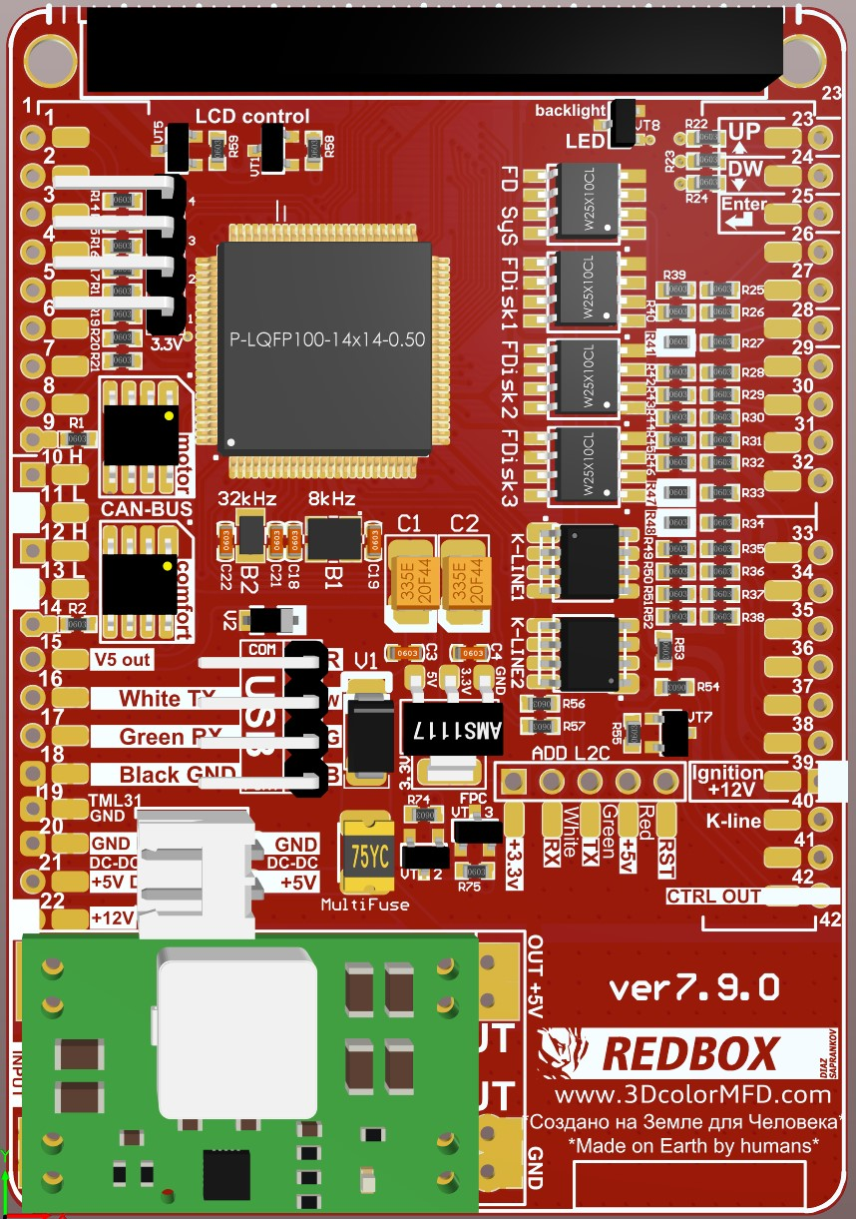
 | 1999/2000 |  |  |  |  | GENERAL SCHEME |  |  |  |  |  |  |  |  |  | 2000
1 | Terminal 15 | 39 |  | 17 | Main beam |  |  |  |  |  |  |  |  |  | 1 | Menu control switch (menu) |  | 23 | 17 | On-board computer, left
2 | Brake pad wear | 29 |  | 18 | Left turn signal |  |  |  |  |  |  |  |  |  | 2 | Menu control switch (out A) |  | 24 | 18 | On-board computer, right
3 | Speedometer output 1 |  |  | 19 | Not used | DASHboard |  |  | MFD | MFD | DASHboard |  |  |  | 3 | Menu control switch (out B) |  | 25 | 19 | On-board computer reset
4 | 5 V supply |  |  | 20 | Terminal 58s | Reversing light swith | Grey | 31 | 1* | 23 | 17 | Grey | Up |  | 4 | Menu control switch (enter) |  |  | 20 | Auxiliary heater radio remote control input
5 | Fuel gauge sender |  | 7 | 21 | Driver's door contact |  |  |  | 2 | 24 | 18 | Grey | Down |  | 5 | CAN bus High (display) | 12* |  | 21 | Summer /winter switching
6 | Tank warning OBD 2 |  | 4 | 22 | Low coolant |  |  |  | 3 | 25 | 19 | Grey | Reset |  | 6 | CAN bus Low (display) | 13* |  | 22 | Auxiliary heater on
7 | Terminal 31 (sensor earth) |  | 22 | 23 | Terminal 30 | Low coolant | Blue | 22 | 4 | 26 | 27 | Green | Belts |  | 7 | Not used |  |  | 23 | Control group 1 Navigation
8 | Coolant temperature |  | 19 | 24 | Terminal 31 (load earth) | Washer fluid level | Grey | 15 | 5 | 27 | 16 | Grey | Lamp Fault |  | 8 | Not used | 3 |  | 24 | Control group 2 Navigation
9 | Terminal 31 (load earth) |  |  | 25 | Consumption signal | Stop Brake lamp warn. | Grey | 14 | 6 | 28 | 29 | Blue | Brake Liquid |  | 9 | Not used | 2 |  | 25 | Control group Telematics
10 | Oil pressure (high) |  |  | 26 | Right parking light | Driver's door | Blue | 21 | 7 | 29 | 2 | Blue | Brake Pads |  | 10 | Not used |  |  | 26 | Not used
11 | Engine speed signal |  |  | 27 | Left parking light |  |  |  | 8 | 30 | 32 | Grey | BOOST |  | 11 | Enable |  |  | 27 | Not used
12 | Air conditioner shutoff |  |  | 28 | Speedometer input |  |  |  | 9 | 31 | 25 | Green | HOOD F120 |  | 12 | Clock |  | 33* | 28 | Fuel, OIL presser / EGT / LPG
13 | Electronic throttle/glow period warning lamp |  | 28 | 29 | Low brake fluid | CAN H (motor) | Green | 18 | 10 | 32 | 30 | Blue | TurboTimer |  | 13 | Data |  | 38* | 29 | Fuel, OIL presser / EGT / LPG
14 | Adaptive suspension |  | 32 | 30 | S-contact | CAN L (motor) | Green | 19 | 11 | 33* | 32 | Green | Headlight range control |  | 14 | Brake light | 6 | 42* | 30 | TurboTimer
15 | Terminal 58d |  |  | 31 | Speedometer output 2 | CAN H (convenience) | Green | 22 | 12 | 33* | 28 | Grey | Fuel, OIL presser / EGT / LPG |  | 15 | Washer fluid level | 5 | 1* | 31 | F4 - REVERSING LIGHT SWITH
16 | Trailer turn signal |  |  | 32 | ESP/TCS | CAN L (convenience) | Green | 23 | 13 | 34 | 6 | Green | Central locking system |  | 16 | Tail light/dipped beam (bulb check) | 27 | 30 | 32 | BOOST
 |  |  |  |  |  | CAN bus High (display) | Grey | 5 | 12* | 35 | 15 | Green | Oil SensorG266
 |  |  |  |  |  | CAN bus Low (display) | Grey | 6 | 13* | 36 | 13 | Green | Hand brake |  |  | 2000
 |  |  |  |  |  |  |  |  | 14 | 37 | 12 | Green | Baterie (61) |  | 1 | Not used |  |  | 17 | Transponder 2
 |  |  |  |  |  | 5V out |  |  | 15 | 38* | 21 | Green | ABS |  | 2 | Transponder |  | 10 | 18 | CAN bus High (motor)
 |  |  |  |  |  | White | USB |  | 16 | 38* | 29 | Grey | Oil Pressure Sensor / EGT |  | 3 | External photosensor |  | 11 | 19 | CAN bus Low (motor)
 |  |  |  |  |  | Green | USB |  | 17 | 39 | 1 | Blue | ignition |  | 4 | Not used |  |  | 20 | Not used
 |  |  |  |  |  | Black | USB |  | 18 | 40 | 28 | Green | K-line |  | 5 | W-wire |  | 38* | 21 | ABS
 |  |  |  |  |  | GND | Blue | 24 | 19 | 41 |  |  |  |  | 6 | Central locking signal | 34 | 12 | 22 | CAN bus High (convenience)
 |  |  |  |  |  | DC-DC OUT- GND |  |  | 20* | 42* | 30 | Grey | TurboTimer |  | 7 | Right turn signal |  | 13 | 23 | CAN bus Low (convenience)
 |  |  |  |  |  | DC-DC OUT+ +5В |  |  | 21* |  |  |  |  |  | 8 | External buzzer |  |  | 24 | Not used
 |  |  |  |  |  | +12V | Blue | 23 | 22 |  |  |  |  |  | 9 | External gong |  | 31 | 25 | Bonnet / Hood
 |  |  |  |  |  |  |  |  |  |  |  |  |  |  | 10 | Airbag |  |  | 26 | Filler neck compartment lid
 |  |  |  |  |  |  |  |  |  |  |  |  |  |  | 11 | Standing time output |  | 26 | 27 | Belt buckle
 |  |  |  |  |  |  |  |  |  |  |  |  |  |  | 12 | Baterie Terminal 61 | 37 | 40 | 28 | K-wire
 | Remove resistors |  |  |  |  |  |  |  |  |  |  |  |  |  | 13 | Parking brake | 36 |  | 29 | Ambient temperature input
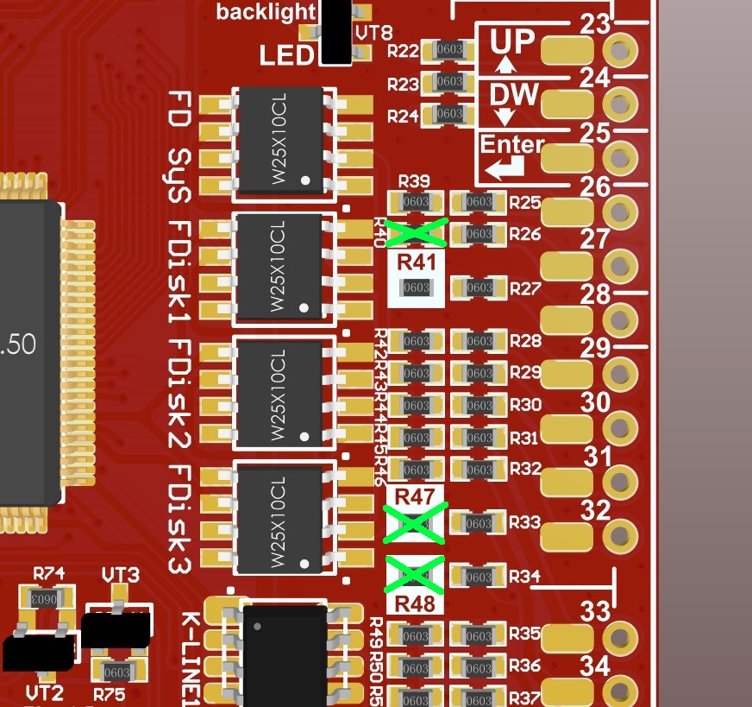
 |  |  |  |  |  |  |  |  |  |  |  |  |  |  | 14 | CHECK |  |  | 30 | Terminal 58de
 |  |  |  |  |  |  |  |  |  |  |  |  |  |  | 15 | Oil level/oil temperature | 35 |  | 31 | Selector lever position display
 |  |  |  |  |  |  | 1* | If you have add a wire of engaging reverse gear to cluster. |  |  |  |  |  |  | 16 | Oil filter pressure |  | 33* | 32 | Headlight range control
 |  |  |  |  |  |  |  | Если вы добавили в кластер провод включения задней передачи.
 |  |  |  |  |  |  | 12 | Connect if you have NOT RNS-E stereo |  |  |  |  |  |  |  | 1999
 |  |  |  |  |  |  | 13 |  |  |  |  |  |  |  | 1 | Not used |  |  | 17 | Transponder 2
 |  |  |  |  |  |  | 12 | Connect if you have RNS-E stereo |  |  |  |  |  |  | 2 | Transponder 1 |  |  | 18 | Not used
 |  |  |  |  |  |  | 13 |  |  |  |  |  |  |  | 3 | Not used |  |  | 19 | Not used
 |  |  |  |  |  |  | 20* | If you have installed the DC-DC converter separately from the 3dMFD motherboard |  |  |  |  |  |  | 4 | Not used |  |  | 20 | Not used
 |  |  |  |  |  |  |  | Если вы установили DC-DC преобразователь отделно от материнской платы |  |  |  |  |  |  | 5 | W-wire |  |  | 21 | Not used
 |  |  |  |  |  |  | 21* | If you have installed the DC-DC converter separately from the 3dMFD motherboard |  |  |  |  |  |  | 6 | Tailgate/boot lid (midline version only) |  |  | 22 | Not used
 |  |  |  |  |  |  |  | Если вы установили DC-DC преобразователь отделно от материнской платы |  |  |  |  |  |  | 7 | Brake pad (not used at |  |  | 23 | Not used
 |  |  |  |  |  |  | 33* | If you have an optional LPG tank level / Fuel presser sensor/ Head range control warning |  |  |  |  |  |  | 8 | nput for external buzzer actuation (not used at present) |  |  | 24 | Not used
 |  |  |  |  |  |  |  | Если у вас есть дополнительное датчикки уровня в баке LPG / датчик давления топлива / контроль диапазона головки / EGT |  |  |  |  |  |  | 9 | nput for external gong actuation (not used at present) |  |  | 25 | Not used
 |  |  |  |  |  |  |  |  |  |  |  |  |  |  | 10 | Tank warning output signal for engine control unit |  |  | 26 | Not used
 |  |  |  |  |  |  | 38* | If you have an optional Oil pressure sensor / EGR sensor |  |  |  |  |  |  | 11 | Standing time output |  |  | 27 | Not used
 |  |  |  |  |  |  |  | Если у вас есть опциональный датчик давления масла / датчик EGT |  |  |  |  |  |  | 12 | Air conditioner shutoff |  |  | 28 | Not used
 |  |  |  |  |  |  | 42* | This is the control output of the turbo timer relay. |  |  |  |  |  |  | 13 | Parking brake |  |  | 29 | Terminal 58d (external dimmer potentiometer)
 |  |  |  |  |  |  |  | Это управляющий выход реле турботаймера. |  |  |  |  |  |  | 14 | Electronic throttle |  |  | 30 | Speedometer output 2
 |  |  |  |  |  |  |  |  |  |  |  |  |  |  | 15 | Side light |  |  | 31 | Not used
 |  |  |  |  |  |  |  |  |  |  |  |  |  |  | 16 | Not used |  |  | 32 | Not used

 |  |  |  |  |  |  |  |  |  |  |  |  |  |  |  | 1999 -> 2000
 |  |  |  |  |  |  |  |  |  |  |  |  |  | Green |  | From pin № |  |  |  | На/ To pin №
 |  |  |  |  |  |  |  |  |  |  |  |  |  | 7 |  | коричнево зеленый / brown green |  |  |  | -> 2 blue connector
 |  |  |  |  |  |  |  |  |  |  |  |  |  | 10 |  | пустой / empty |  |  |  | -> 6 blue connector
 |  |  |  |  |  |  |  |  |  |  |  |  |  | 12 |  | голубой синий / blue darck blue |  |  |  | -> 12 blue connector
 |  |  |  |  |  |  |  |  |  |  |  |  |  | 29 |  | -> |  |  |  | -> 30 green connector
 |  |  |  |  |  |  |  |  |  |  |  |  |  | 21 |  | -> |  |  |  | -> 15 green connector
 |  |  |  |  |  |  |  |  |  |  |  |  |  | 15 |  |  |  |  |  | remove

 |  |  |  |  |  |  |  |  |  |  |  |  |  | Blue |  | From pin № |  |  |  | Green На/ To pin №
 |  |  |  |  |  |  |  |  |  |  |  |  |  | 2 |  | черно зеленый / black green |  |  |  | -> 7
 |  |  |  |  |  |  |  |  |  |  |  |  |  | 6 |  | Yellow white |  |  |  | -> 10
 |  |  |  |  |  |  |  |  |  |  |  |  |  | 12 |  | голубой/ blue |  |  |  | -> 12
 |  |  |  |  |  |  |  |  |  |  |  |  |  | 19 |  | orange red |  |  |  | -> 21
 |  |  |  |  |  |  |  |  |  |  |  |  |  | 25 |  | Green blue |  |  |  | -> 28

