7.7
 |  |  |  |  | 7.9.0 VW GOLF5, Jetta5, Skoda A5

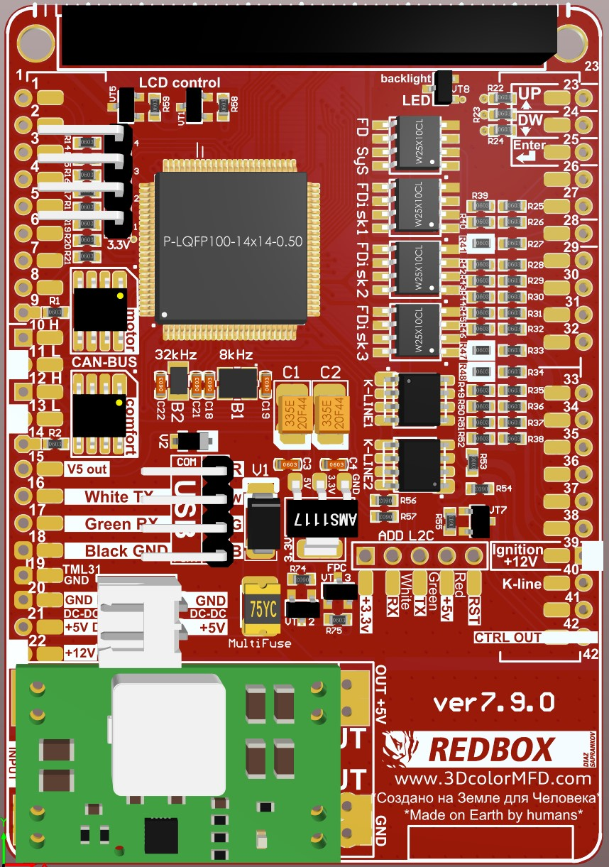
Instrument cluster pinout |  | Black connector | Gateway | 3D MFD | GENERAL SCHEME |  |  |  |  |  |  |  | 3d MFD | Black connector | Pinout Gateway
Terminal 15> +12V |  | 1 |  | 39
Terminal 30-> +12V |  | 2 |  | 22 |  |  |  |  |  |  |  |  |  |  | 1 | Terminal 30, fuse F24 in EM box -> +12V
not used | Additional Boost sensor | 3 |  | 30* | MFD |  |  |  | MFD |  |  |  |  |  | 2 | As pin 1 -> +12V
Fog lights |  | 4 |  |  |  |  |  | 1 | 23 |  |  |  |  |  | 3 | Vacant
Warning contact for brake fluid level |  | 5 |  | 28 |  |  |  | 2 | 24 |  |  |  |  |  | 4 | K-wire (vacant)
Handbrake control switch |  | 6 |  | 36 |  |  |  | 3 | 25 |  |  |  |  |  | 5 | Convenience system data bus, CAN-Low
Transponder 1 |  | 7 |  |  |  |  |  | 4 | 26 |  |  |  |  |  | 6 | Drive train data bus, CAN-Low
Transponder 2 |  | 8 |  |  |  |  |  | 5 | 27 | minus (-) LED yelow oil HalfFIS cluster only |  |  |  |  | 7 | Vacant
CAN-Network Drive train |  | 9 |  |  | Wake Up | Black | 15 | 6 | 28 | 5 | Black | Brake Liquid Level low | 11 | 12 | 8 | Dash panel insert data bus, CAN-Low
CAN Low (Motor) |  | 10 |  |  |  |  |  | 7 | 29 | 22 | Black | Brake Pads | 12 | 31 | 9 | Diagnosis CAN-L
CAN High (Motor) |  | 11 |  |  |  |  |  | 8 | 30* | 3 | Black | Additional Boost signal wire |  |  | 10 | Infotainment data bus, CAN-Low
CAN Low (Combi) |  | 12 |  | 11 | Rx CAN (motor) CAN2 |  |  | 9 | 31 |  |  |  |  |  | 11 | Terminal 31 (battery negative) -> GND
CAN High (Combi) |  | 13 |  | 10 | CAN High (Combi) | Black | 13 | 10 | 32 |  |  |  |  |  | 12 | Terminal 31 (battery negative) -> GND
CAN-Network Combi |  | 14 |  | 0 | CAN Low (Combi) | Black | 12 | 11 | 33* | 23 | Black | Additional Fuel pressure sensor |  |  | 13 | Wake-up wire, dash panel insert -> PIN 5 DB
Wake up dashboard |  | 15 |  | 6 | Diag, CAN-High | Black | 31* | 12 | 34* | 24 | Black | Additional Oil pressure sensor |  |  | 14 | Terminal 15 -> +12V
Coolant temp. sensor |  | 16 |  |  | Diag, CAN-Low | Black | 30* | 13 | 35 | 26 | Black | Oil level / oil temperature |  |  | 15 | Convenience system data bus, CAN-High
Coolant temp. gauge |  | 17 |  |  | Rx CAN (comfort) CAN1 |  |  | 14 | 36 | 6 | Black | Hand brake |  |  | 16
Fuel gauge sensor |  | 18 |  |  | 5V out |  |  | 15 | 37 |  |  |  |  |  | 17 | Vacant
Terminal 31-> GND |  | 19 |  | 19 | White | USB |  | 16 | 38* | 27 | Black | Additional Fuel/oil pressure sensor | 10 | 13 | 18 | Dash panel insert data bus, CAN-High
not used | TurboTimer | 20 |  | 42 | Green | USB |  | 17 | 39 | 1 | Black | Terminal 15> +12V | 13 | 30 | 19 | Diagnosis CAN-H
not used |  | 21 |  |  | Black | USB |  | 18 | 40 |  |  |  |  |  | 20 | Infotainment data bus, CAN-High
Brake pad wear indicator |  | 22 |  | 29 | Terminal 31-> GND | Black | 19 | 19 | 41
not used | Additional Fuel pressure sensor | 23 |  | 33* | DC-DC OUT- GND |  |  | 20* | 42 | 20 | Black | TurboTimer |  |  | 500 | CAN-шина Diagnosis
not used | Additional Oil pressure sensor | 24 |  | 34* | DC-DC OUT+ 5В + |  |  | 21* |  |  |  |  |  |  | 500 | CAN-шина Combi
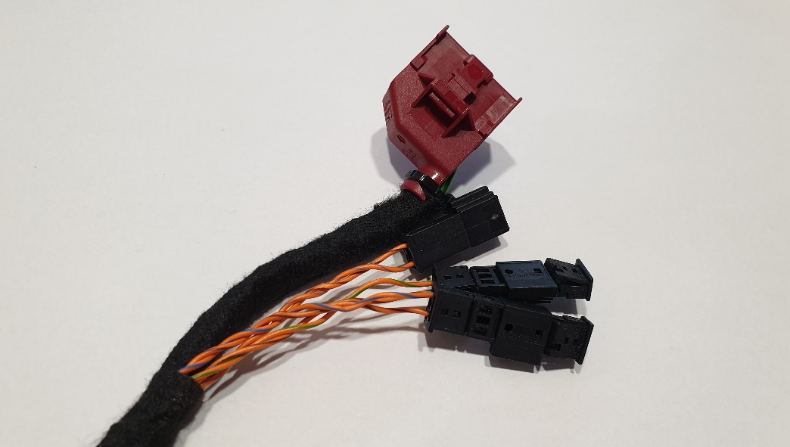
Oil pressure switch |  | 25 |  |  | Terminal 30-> +12V | Black | 2 | 22 |  |  |  |  |  |  | 100 | CAN-шина Infotainment
Sensor for oil level / oil temperature (TOG) |  | 26 |  | 35 |  |  |  |  |  |  |  |  |  |  | 100 | CAN-шина Convenience
not used | Additional Fuel/oil pressure sensor | 27 |  | 38* |  |  |  |  |  |  |  |  |  |  | 500 | CAN-шина Drive train
Speed signal output (from model year 2008 - only with control unit for sliding roof (speed signal) |  | 28
Speed signal input |  | 29
Time setting via radio data | Diagnosis CAN-L | 30* | 9 | 13
Time setting via radio ground | Diagnosis CAN-H | 31* | 19 | 12
Time setting radio 5V |  | 32 |  |  |  | 20* | If you have installed the DC-DC converter separately from the 3dMFD motherboard
Ground connection (encoder ground) |  | 33 |  |  |  |  | Если вы установили DC-DC преобразователь отделно от материнской платы
Washer fluid level sensor |  | 34 |  |  |  | 21* | If you have installed the DC-DC converter separately from the 3dMFD motherboard
Sender for low coolant indicator |  | 35 |  |  |  |  | Если вы установили DC-DC преобразователь отделно от материнской платы
Temperature sensor for outside temperature |  | 36 |  |  |  | 30* | If you do not have boost pressure data on the can-bus or have a third party boost sensor installed.
 |  |  |  |  |  |  | Если у вас нет данных давления наддува на can-bus или установлен сторонний датчику буста.
30*, 31* - Use these pins if they are free. |  |  |  |  |  | 33* | Free Input for an optional Oil pressure sensor / Fuel pressure sensor/ LPG tank level / EGT
 |  |  |  |  |  |  | Свободный вход для подключения доп. датчиков: давления масла/ давления топлива / уровня в баке LPG
On the bench operation |  |  |  |  |  | 34* | Free Input for an optional Oil pressure sensor / Fuel pressure sensor/ LPG tank level / EGT
Terminal 15> +12V |  | 1 |  |  |  |  | Свободный вход для подключения доп. датчиков: давления масла/ давления топлива / уровня в баке LPG
Terminal 30-> +12V |  | 2 |  |  |  | 38* | You can use this input to connect additional. sensors: oil pressure / fuel pressure / EGT. Instead of a warning about an ABS malfunction, since this warning is also duplicated on the CAN bus.
Terminal 31-> GND |  | 19 |  |  |  |  | Вы можете использовать это вход для подключения доп. датчиков: давления масла/ давления топлива / EGT. Вместо предупреждения о неисправности АБС ,так как это предупреждение так же продублированно на CAN- шине.
CAN Low (Combi) |  | 12
CAN High (Combi) |  | 13

